Sheet1
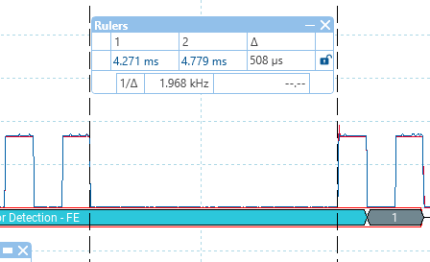
 |  |  |  | The cutout is occuring at the end of the idle packet
 |  |  |  | however it starts when the 8th 1-bit goes low, and then the
 |  |  |  | two lines go to ground which creates a current loop.

 |  |  |  | So either we are missing the bit-half, or the 55uS is getting rolled into the 508

Modules and how to implement the cutout.
L298 external mini module
 | Has EN and IN1 and IN2. EN takes the drivers open circuit. Railcom must be executed through taking IN1 and IN2 to same logic level.

LMD18200 internal
 | Brake is tied low. PWM is used as enable. When it is low, both outputs are tied to 12v

LMD18200 external
 | Brake is tied low. PWM is used as enable. When it is low, both outputs are tied to 12v

L298 motor shield
 | no dice. We need the brake pins for I2C and this unit has IN1 and IN2 hardwired to be logically inverse of one another.
 | EN will make it go open circuit.

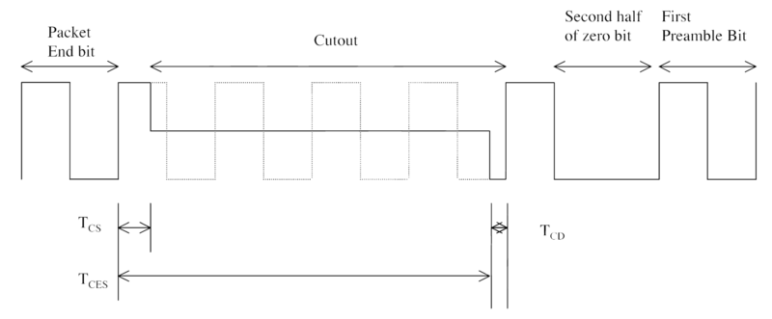
Timings I see on the scope |  | programmed
1 data | 119uS | 116
0 data | 236uS | 232
cutout | 452uS | 450

Actually there is supposed to be a TCS set up and TCD teardown time for a cutout
so you finish a packet bit and 'sort of' move into the next bit high part, before reactivating
in the next bit low part.

Tcs min 26uS, max 32uS |  |  | 50 |  | I am seeing | 24uS
cutout from start of Tcs is min 454uS, max 488 |  |  |  |  |  | 451
Tcd is not defined anywhere but appears to be about 10uS |  |  |  |  |  | 16

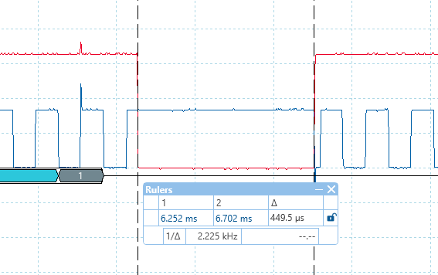

 |  |  |  |  | finished code.
 |  |  |  |  | 449 uS

 |  |  |  |  | a high lead-in and a low lead-out

